Salary Distribution Regular
age | 2 | 7 | 12 | 17 | 22 | 27 | 32 | 37 | 42 | 47 | 52
20 | 14,714.00
22 | 27,033.00 | 31,838.00
27 | 36,316.00 | 44,009.00 | 42,689.00 | 40,528.00
32 | 37,561.00 | 48,102.00 | 51,838.00 | 51,688.00
37 | 38,575.00 | 48,558.00 | 55,197.00 | 56,215.00 | 59,570.00
42 | 39,052.00 | 47,868.00 | 54,369.00 | 60,275.00 | 62,139.00 | 65,576.00
47 | 39,166.00 | 46,655.00 | 52,033.00 | 58,560.00 | 65,071.00 | 66,796.00 | 74,768.00
52 | 38,322.00 | 45,774.00 | 50,922.00 | 55,447.00 | 61,758.00 | 71,083.00 | 71,855.00 | 65,857.00
57 | 37,694.00 | 44,108.00 | 48,059.00 | 52,461.00 | 56,979.00 | 64,855.00 | 74,881.00 | 69,984.00 | 62,797.00
62 | 35,118.00 | 42,732.00 | 47,628.00 | 51,385.00 | 54,574.00 | 61,124.00 | 69,276.00 | 76,889.00 | 65,926.00 | 70,135.00
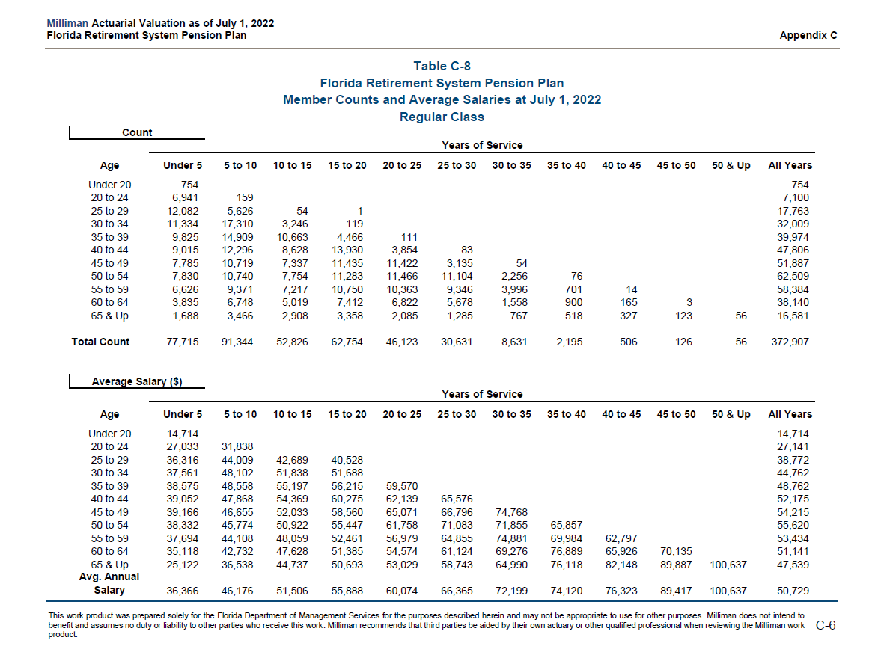
67 | 25,122.00 | 36,538.00 | 44,737.00 | 50,693.00 | 53,029.00 | 58,743.00 | 64,990.00 | 76,118.00 | 82,148.00 | 89,887.00 | 100,637.00

HeadCount Distribution Regular
age | 2 | 7 | 12 | 17 | 22 | 27 | 32 | 37 | 42 | 47 | 52
20 | 754.00
22 | 6,941.00 | 159.00
27 | 12,082.00 | 5,626.00 | 54.00 | 1.00
32 | 11,334.00 | 17,310.00 | 3,246.00 | 119.00
37 | 9,825.00 | 14,909.00 | 10,663.00 | 4,466.00 | 111.00
42 | 9,015.00 | 12,296.00 | 8,628.00 | 13,930.00 | 3,854.00 | 83.00
47 | 7,785.00 | 10,719.00 | 7,337.00 | 11,435.00 | 11,422.00 | 3,135.00 | 54.00
52 | 7,830.00 | 10,740.00 | 7,754.00 | 11,283.00 | 11,466.00 | 11,104.00 | 2,256.00 | 76
57 | 6,626.00 | 9,371.00 | 7,217.00 | 10,750.00 | 10,363.00 | 9,346.00 | 3,996.00 | 701.00 | 14
62 | 3,835.00 | 6,748.00 | 5,019.00 | 7,412.00 | 6,822.00 | 5,678.00 | 1,558.00 | 900.00 | 165.00 | 3
67 | 1,688.00 | 3,466.00 | 2,908.00 | 3,358.00 | 2,085.00 | 1,285.00 | 767.00 | 518.00 | 327.00 | 123.00 | 56

 | 77,715.00
age | newest members |  |  |  |  |  | wow 537,158 per acfr but detailed counts are 372,907
20 | 1.0% |  |  |  |  |  |  |  |  |  | 537158
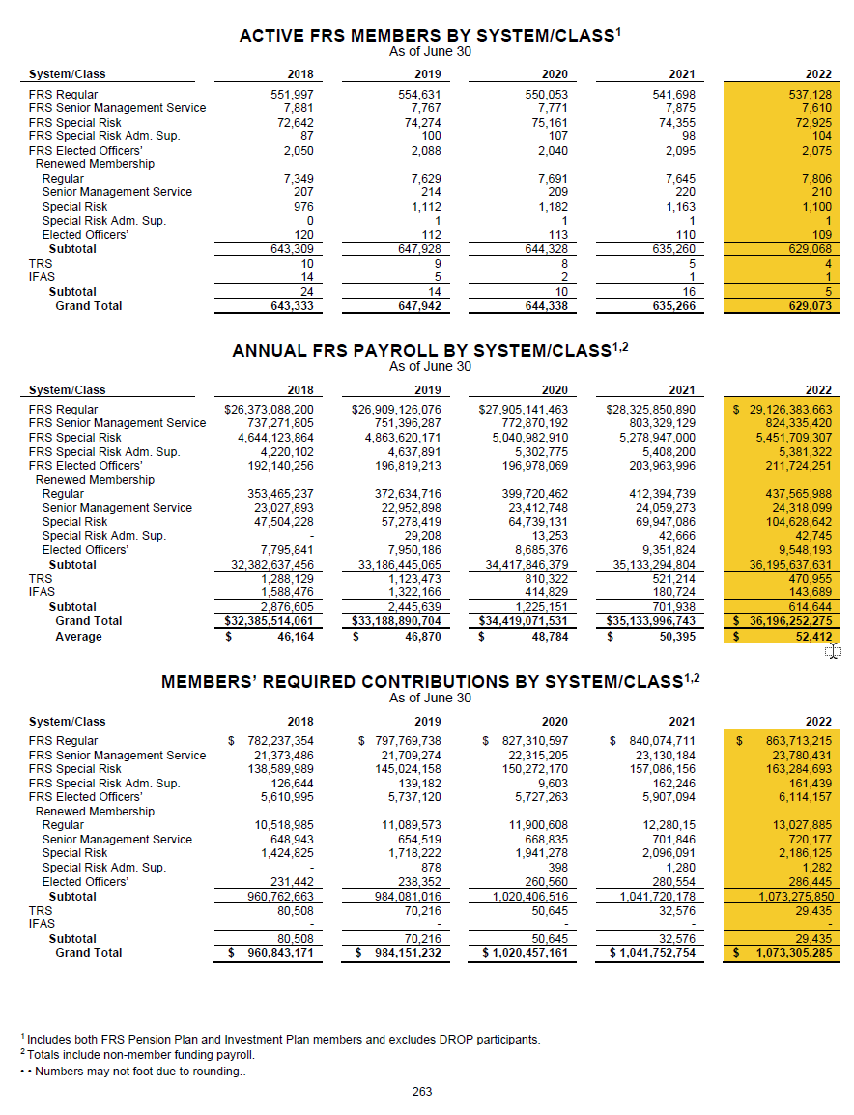
22 | 8.9% |  |  |  |  |  |  |  |  |  | 372907
27 | 15.5%
32 | 14.6% |  |  |  |  |  |  |  |  |  | 1.44
37 | 12.6%
42 | 11.6%
47 | 10.0%
52 | 10.1%
57 | 8.5%
62 | 4.9%
67 | 2.2%

HeadCount Distribution Judge
age | 2 | 7 | 12 | 17 | 22 | 27 | 32 | 37 | 42 | 47 | 52
20
22
27
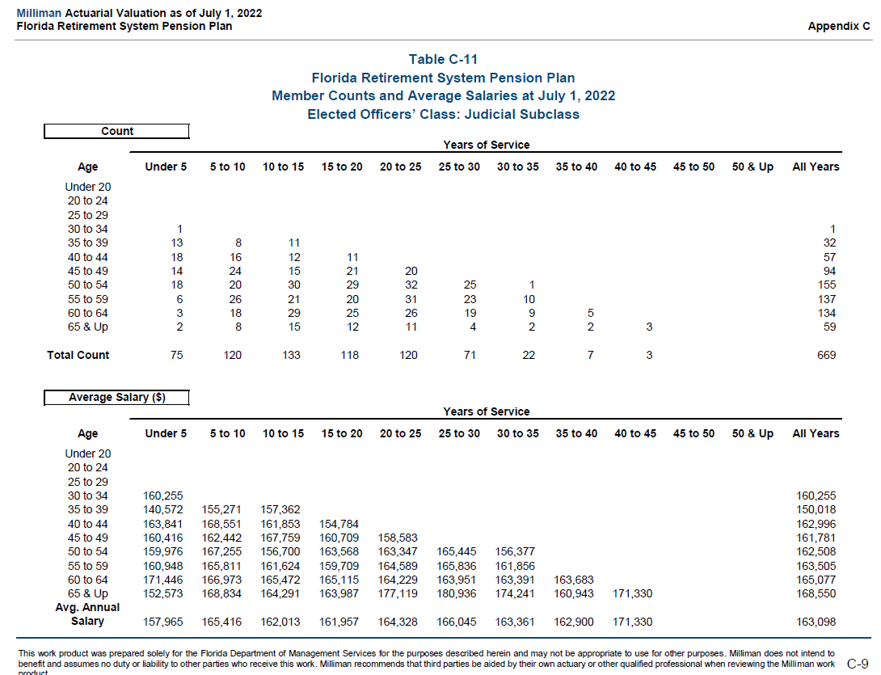
32 | 1.00
37 | 13.00 | 8.00 | 11.00
42 | 18.00 | 16.00 | 12.00 | 11.00
47 | 14.00 | 24.00 | 15.00 | 21.00 | 20.00
52 | 18.00 | 20.00 | 30.00 | 29.00 | 32.00 | 25.00 | 1.00
57 | 6.00 | 26.00 | 21.00 | 20.00 | 31.00 | 23.00 | 10.00
62 | 3.00 | 18.00 | 29.00 | 25.00 | 26.00 | 19.00 | 9.00 | 5.00
67 | 2.00 | 8.00 | 15.00 | 12.00 | 11.00 | 4.00 | 2.00 | 2.00 | 3.00

HeadCount Distribution Sen Man
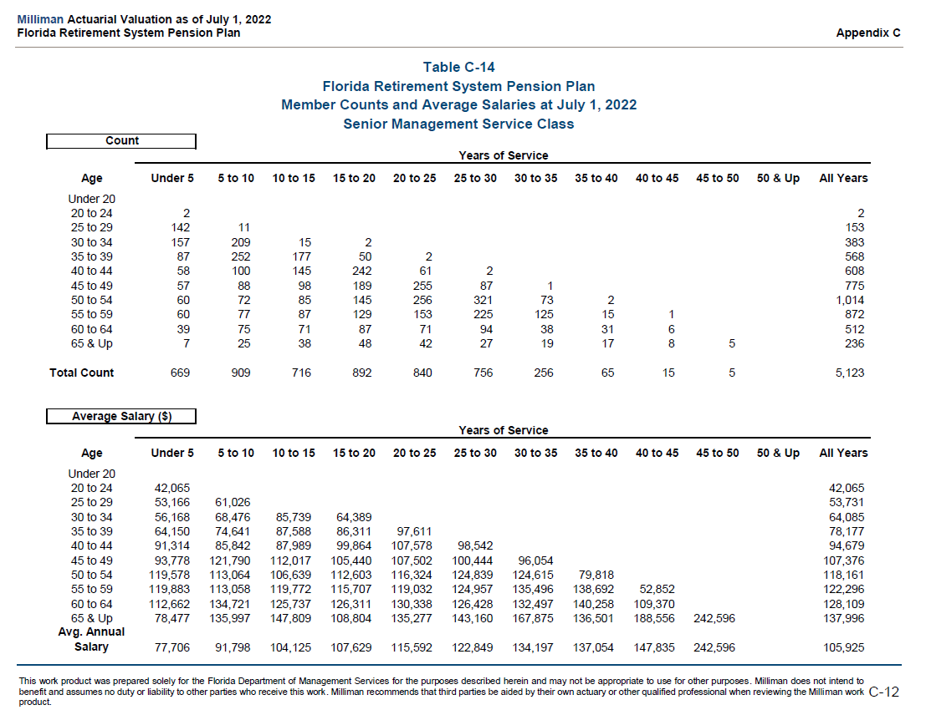
age | 2 | 7 | 12 | 17 | 22 | 27 | 32 | 37 | 42 | 47 | 52
20
22 | 2.00
27 | 142.00 | 11.00
32 | 157.00 | 209.00 | 15.00 | 2.00
37 | 87.00 | 252.00 | 177.00 | 50.00 | 2.00
42 | 58.00 | 100.00 | 145.00 | 242.00 | 61.00 | 2.00
47 | 57.00 | 88.00 | 98.00 | 189.00 | 255.00 | 87.00 | 1.00
52 | 60.00 | 72.00 | 85.00 | 145.00 | 256.00 | 321.00 | 73.00 | 2.00
57 | 60.00 | 77.00 | 87.00 | 129.00 | 153.00 | 225.00 | 125.00 | 15.00 | 1.00
62 | 39.00 | 75.00 | 71.00 | 87.00 | 71.00 | 94.00 | 38.00 | 31.00 | 6.00
67 | 7.00 | 25.00 | 38.00 | 48.00 | 42.00 | 27.00 | 19.00 | 17.00 | 8.00 | 5

